SAMPLE
 | Curriculum Vitae |  |  |  |  | Applying PSN
 |  |  |  |  |  | 3/E
Personal Details

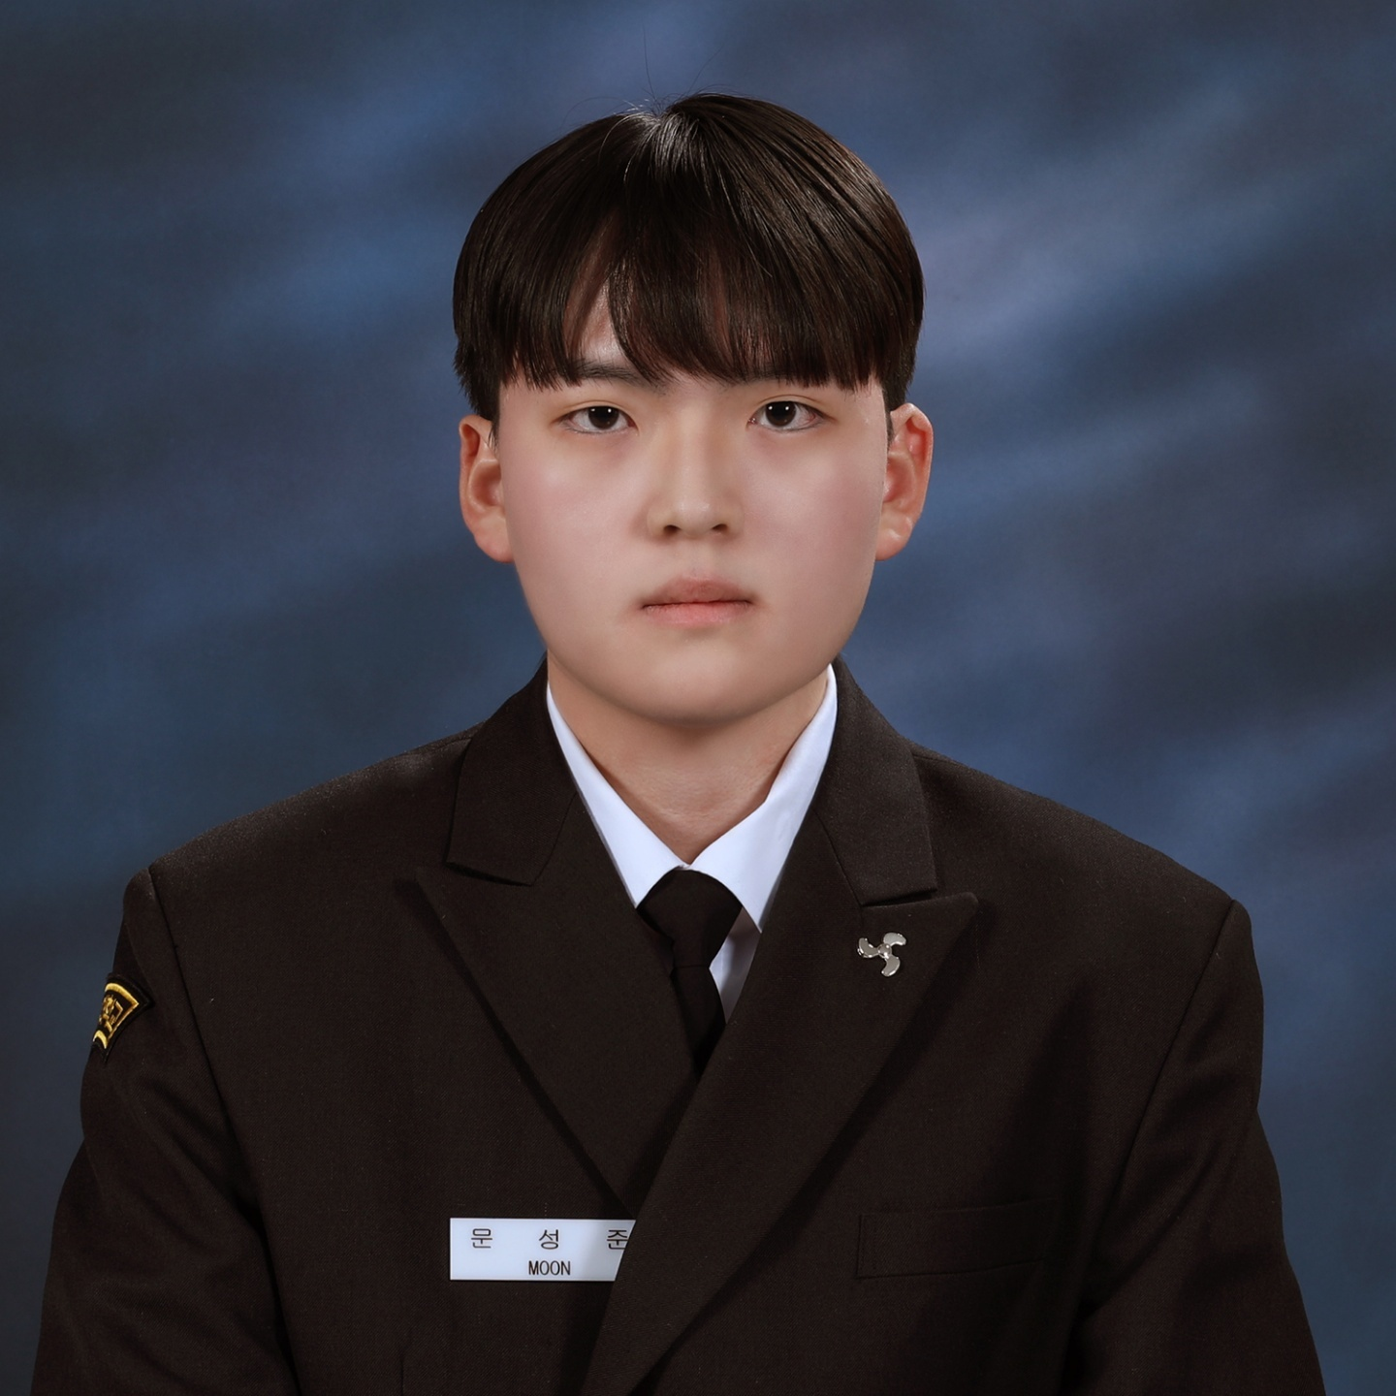
Name | MUN SUNGJUN |  | D.O.B | 2003-12-20 |  | Picture
Nationality | South Korean (R.O.K.) |  | Sexual | Male
Martial St. | Single |  | Mobile | +82-10-9313-1890
No. of Child |  |  | Em'cy C/T | Mother / +82-10-5002-6220
E-mail | mingon8523@naver.com
Address | 303-12 Cheokjeong 2-gil, Daega-myeon, Goseong-gun, Gyeongsangnam-do, South Korea

Performance in University

Name of University |  | Korea Maritime and Ocean University (KMOU)
Ave.School Score |  | 4.33/4.5 |  | Penelty or Adv. Score |  | 85
Self Record on gross negligence |  | NONE

Thoughts about seaman as job

Hopeful sea-service time as seaman |  | 10~20 years |  | Final goal in your job |  | LNGC Chief Engineer

Self PR as one sentence |  | Bright in attitude, steady in effort, and sincere in every duty.

Language Proficiency

Category | Details |  |  | Score / Level |  | Date
English | TOEIC |  |  | 755 |  | 2025-03-09

Education

School |  |  | Major |  | Period of Study
Korea Maritime and Ocean University |  |  | Marine Engineering |  | 2022.03.01~2026.01.28
Cheolseong HighSchool |  |  | General |  | 2019.03.04~2022.01.05

Skill & Experience

Date |  | Details
2024/02/14~2024/07/03 |  | Completed training as an apprentice engineer on LNGC
2024/07/08~2025/02/18 |  | Completed training as an apprentice engineer on training vessel

Sea Service Record

Vessel Name | Flag | Company | VSL Type | DWT / KW | Rank | From | - | To
YK SOVEREIGN | REPUBLIC OF KOREA | SK Shipping | LNGC Moss Tubine | 72020 TON | A/E | 2024-02-14 | - | 2024-07-03
 |  |  |  | 19637 kW |  | 0Y 4M 19D
T/S HANBADA | REPUBLIC OF KOREA | Korea Maritime and Ocean University | Training VSL | 2636 TON | A/E | 2024-07-05 | - | 2025-02-18
 |  |  |  | 5970 kW |  | 0Y 7M 13D
 |  |  |  |  |  |  | -

 |  |  |  |  |  |  | -

Specific Questions

1) Q : Suppose you are being on board as the duty officers. Now your contract still remains 4 months from now. Unfortunately, you get the saddest news which your parents passed away. What would you?
In such a situation, I would naturally feel deep sadness and shock, but as a duty officer my first priority must remain the safety of the ship and crew. I would calmly bring any ongoing critical tasks to a safe condition and immediately report the situation to the chief engineer and the master. After that, I would follow the company’s policies and ask the master and the company what options are available, putting the ship’s operation and manning situation first. If an early sign-off or compassionate leave is possible without affecting safety or operations, I would be grateful to take that option to support my family. However, if the company judges that immediate relief is not possible or would seriously affect safe operation, I would respect that decision and continue to carry out my duties until a safe and practical relief point is arranged.

2) Q : What would you do if you were constantly treated unfairly and illegally by your superiors such as Captain, C/O, C/E, 1/E etc.,. (e.g., repeated beatings, verbal abuse, personal insults, etc.) while on board?
If I were constantly treated unfairly and illegally by my superiors on board, such as repeated beatings or serious verbal abuse, I would first control my emotions and make sure that safety is not affected. Physical violence and harassment are clearly against company rules and international regulations, so I would not treat them as something normal on board. I would carefully record the facts – dates, situations and any witnesses – and report the case through the proper channels, such as another senior officer I can trust or the DPA/crewing department on shore, and ask for protection and action. During this process I would not respond with violence or abandon my duty, but continue to perform my job as a professional seafarer until the company arranges a proper solution

We, DONGJI MARITIME, certified and verified the above qualification and certification is correct and true by confirmed
with issuing authority.

