MOL 영문이력서(신채해기사)
 | Curriculum Vitae |  |  |  |  | Applying PSN
 |  |  |  |  |  | 3/O
Personal Details

Name | KANG MIN JAE |  | D.O.B | 2002-11-27 |  | Picture
Nationality | South Korean (R.O.K.) |  | Sexual | Male |  | 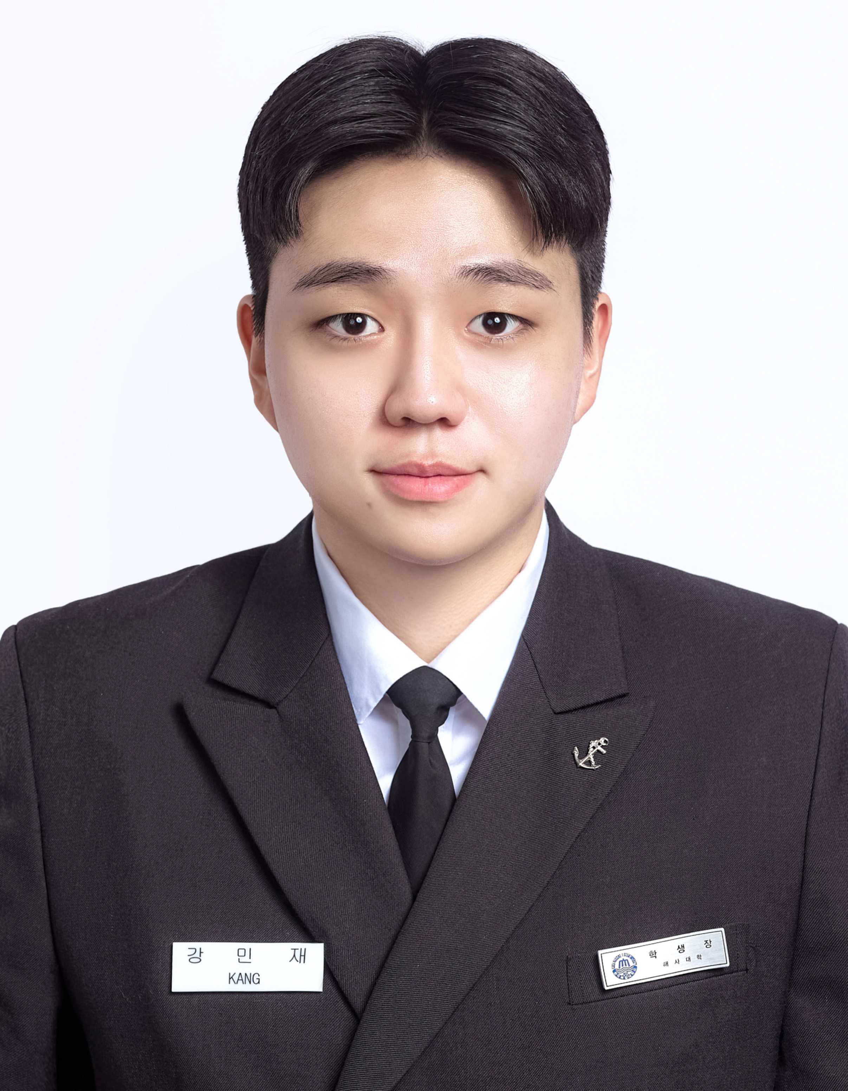
Martial St. | Single |  | Mobile | +82-10-4463-1726
No. of Child |  |  | Em'cy C/T | Father / +82-10-3518-0819
E-mail | kangandy2002@gmail.com
Family | Father 1, Mother 1, Brother 1
Address | 14F, HJSC R&D Center Bldg., Chungjang-daero 6, Jung-gu, Busan, South Korea

Performance in University

Name of University |  | Korea Maritime and Ocean University (KMOU)
Ave.School Score |  | 3.02 / 4.5 |  | Penelty or Adv. Score |  | 1학년 0, 2학년-15, 3학년+30, 4학년-90/ 전체 합산-75
Self Record on gross negligence |  | 2학년 1학기:생활관장 허가 없이 외부인을 생활관 내에 출입시킨자,4학년 1학기:한 학기 동안 벌점이 100점 이상인 학생

Thoughts about seaman as job
Hopeful sea-service time as seaman |  | over 10 years |  | Final goal in your job |  | Captin

Self PR as one sentence |  | Consistency is the foundation of competence.

Language Proficiency

Category | Details |  |  | Score / Level |  | Date
English | TOEIC |  |  | 920 |  | 2025-09-28

Education

School |  |  | Major / Place |  | Period of Study
Korea Maritime and Ocean University |  |  | Deck |  | 2022-03-01 ~ 2025/12/22
Sayfol International School(KL, MALAYSIA) Elementry School |  |  | General |  | 2009-03-03 ~ 2014-06-01
Sayfol International School(KL, MALAYSIA) Middle school |  |  | General |  | 2014-08-01 ~ 2017-06-01
Sayfol International School(KL, MALAYSIA) High School |  |  | General |  | 2017-08-01 ~ 2020-06-01

Skill & Experience

Date |  | Details
2024-09-10~2025-02-24 |  | Experienced SIRE 2.0, PSC Inspection as Deck Cadet

Sea Service Record

Vessel Name | Flag | Company | VSL / Engine | DWT / KW | Rank | From | - | To
T/S HANARA | REPUBLIC OF KOREA | Korea Maritime and Ocean University | Training ship | 9196 TON | Deck Cadet | 2024-03-01 | - | 2024-08-26
 |  |  | MAN B&W 6S40ME-B9.5 | 6618 kW |  | 0Y 5M 25D
PACIFIC DEBBIE | MARSHALL ISLAND | SINOKOR | Oil & Chem | 42968 TON | Deck Cadet | 2024-09-10 | - | 2025-02-24 | .
 |  |  | 6S60ME-C8.5 Nox Tier II | 9663 kW |  | 0Y 5M 14D
T/S HANBADA | REPUBLIC OF KOREA | Korea Maritime and Ocean University | Training ship | 6686 TON | Deck Cadet | 2025-07-31 | - | 2025-08-19
 |  |  | MAN B&W 6242 ME M/C | 5970 kW |  | 0Y 0M 19D

Specific Questions

1) Q : Suppose you are being on board as the duty officers. Now your contract still remains 4 months from now. Unfortunately, you get the saddest news which your parents passed away. What would you?
If I were to receive such devastating news as the duty officer onboard, I would immediately inform the Master about the situation. This kind of situations needs formal communications with experienced seniors who has handled situations like this before. Given that my contract still remains 4months, I would request for a compassionate leave or repatration and follow comapny and International Safety Management code procedures. There are no specific regulations in International Safey Management code for situations like this but, I believe the company and the Master would assit me accordingly to arrange the earliest safe disembarkation. Before my disembarkation I would ensure that my handover is thorough with all the details about our present voyage route and cargo situations. I would make sure that there are no delays or such for any operations, daily routines and the safety of the vessel even in personal crisis like this.

2) Q : What would you do if you were constantly treated unfairly and illegally by your superiors such as Captain, C/O, C/E, 1/E etc.,. (e.g., repeated beatings, verbal abuse, personal insults, etc.) while on board?
If I were to be constantly assaulted and harrased unfairly and illegally by my superiors, my first priority would be my own protection and safety. It would be my responsibility to be looking out for myself while following the right procedures and completing my duties as an officer. For evidence and proof of my unfair situations, I would carefully document every incident, with details, witnesses and proper datas, which then would be reported to the Master unless he is involved. If the Master is the offender and I dont feel safe to report to any seniors onboard I would escalte the matter and take further measures by reporting to the Designated Person Ashore and the comany through confidential reporting channel like Open Reporting System as required in the Safety Management System. I would calmly follow the procedures required by the company and Marine Labour Convention guidelines and avoid any confrontations at all times, ensuring that the situations are being delt with legally and by comapny procedures.

We, DONGJI MARITIME, certified and verified the above qualification and certification is correct and true by confirmed
with issuing authority.

