SAMPLE
 | Curriculum Vitae |  |  |  |  | Applying PSN
 |  |  |  |  |  | 3/O
Personal Details

Name | KIM DONGJI |  | D.O.B | 37118 kW |  | Picture
Nationality | South Korean (R.O.K.) |  | Sexual | Male |  | 
Martial St. | Single |  | Mobile | +82-10-1234-5678
No. of Child |  |  | Em'cy C/T | Mother / +82-10-2345-6789
E-mail | djbsn@djmaritime.co.kr
Family | Grandpa, Grandma, Father, Mother, Sister 2, Brother 2
Address | 14F, HJSC R&D Center Bldg., Chungjang-daero 6, Jung-gu, Busan, South Korea

Performance in University

Name of University |  | Korea Maritime and Ocean University (KMOU)
Ave.School Score |  | 3.9 / 4.5 |  | Penelty or Adv. Score |  | 1900-02-19
Self Record on gross negligence |  | 중과실 (퇴관 등) 있을 경우 해당 내용을 한글로 작성할 것

Thoughts about seaman as job

Hopeful sea-service time as seaman |  | Less 5 years |  | Final goal in your job

Self PR as one sentence |  | Genius is no match for hard work, and hard work is no match for passion.

Language Proficiency

Category | Details |  |  | Score / Level |  | Date
English | TOEIC |  |  | 890 |  | 45468
English | OPIc |  |  | IH |  | 45926
Englihsh | TOEIC Speaking |  |  | 7 |  | 44897
Japanese | JLPT |  |  | N2 |  | 44897

Education

School |  |  | Major / Place |  | Period of Study
Korea Maritime and Ocean University |  |  | Deck |  | 2021/03/02 ~ 2025/02/05
Haeundae Highschool |  |  | General |  | 2018/03/02 ~ 2021/01/05

Skill & Experience

Date |  | Details
2025-05-15 ~ 2025-06-10 |  | Experienced in the dry-dock in Singapore as the deck cadet

Sea Service Record

Vessel Name | Flag | Company | VSL / Engine | DWT / KW | Rank | From | - | To
T/S HANBADA | REPUBLIC OF KOREA | Korea Maritime and Ocean University | Training ship | 1907-03-20 | Deck Cadet | 45443 TON | - | 45484 kW | 45442
 |  |  | MC | 1916-05-05 |  | 0Y 1M 10D
T/S HANBADA | REPUBLIC OF KOREA | Korea Maritime and Ocean University |  | 1907-03-20 | Deck Cadet | 45320 TON | - | 45353 kW | 45319
 |  |  | MC | 1916-05-05 |  | 0Y 1M 2D
LNG FUKUROKUJU | BAHAMAS | Korea Maritime and Ocean University | LNGC Moss | 127242 TON | Deck Cadet | 45122 TON | - | 45315 kW | #REF!
 |  |  | Steam Turbine | 26800KW |  | 0Y 6M 9D
T/S HANNARA | REPUBLIC OF KOREA | Korea Maritime and Ocean University | Training ship | 1910-01-18 | Deck Cadet | 44983 TON | - | 45114 kW | #REF!
 |  |  | MC | 1918-02-12 |  | 0Y 4M 11D

Specific Questions

1) Q : Suppose you are being on board as the duty officers. Now your contract still remains 4 months from now. Unfortunately, you get the saddest news which your parents passed away. What would you?
영어로 기술하시오

2) Q : What would you do if you were constantly treated unfairly and illegally by your superiors such as Captain, C/O, C/E, 1/E etc.,. (e.g., repeated beatings, verbal abuse, personal insults, etc.) while on board?
영어로 기술하시오

We, DONGJI MARITIME, certified and verified the above qualification and certification is correct and true by confirmed
with issuing authority.

MOL 영문이력서(신채해기사)
 | Curriculum Vitae |  |  |  |  | Applying PSN
 |  |  |  |  |  | 3/O
Personal Details

Name | YOON MYUNGSEOP |  | D.O.B | 37781 kW |  | Picture
Nationality | South Korean (R.O.K.) |  | Sexual | Male |  | 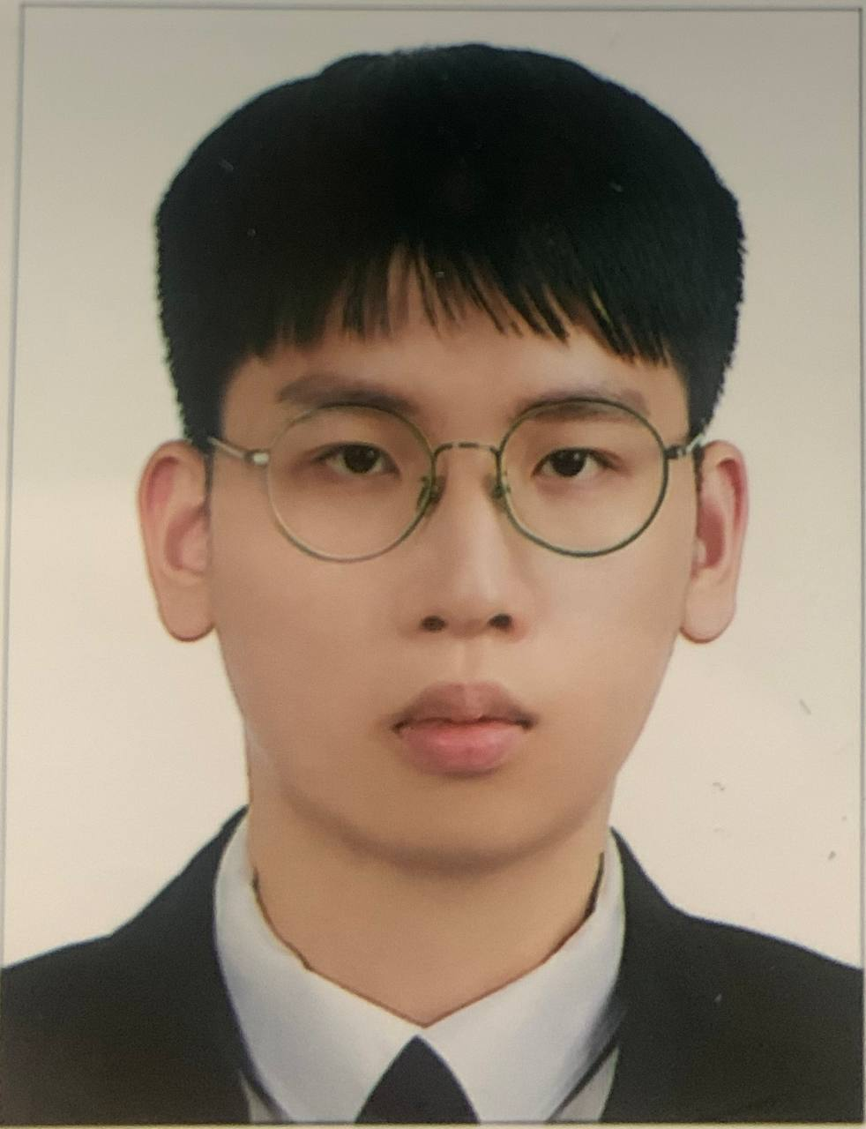
Martial St. | Single |  | Mobile | +82-10-9721-9507
No. of Child |  |  | Em'cy C/T | Father / +82-10-3730-1470
E-mail | msyoujinms@gmail.com
Family | Father, Mother, Sister(Y) 1
Address | 114 dong 401, 150 Gongdo-ro, Gongdo-eup, Anseong-si, Gyeonggi-do, South Korea

Performance in University

Name of University |  | Korea Maritime and Ocean University (KMOU)
Ave.School Score |  | 3.907 / 4.5 |  | Penelty or Adv. Score |  | 1900-04-19
Self Record on gross negligence |  | N/A

Thoughts about seaman as job

Hopeful sea-service time as seaman |  | over 10 years |  | Final goal in your job |  | Maritime Cyber Security Analyst

Self PR as one sentence |  | Move Toward Improvement, Not Escape

Language Proficiency

Category | Details |  |  | Score / Level |  | Date
English | TOEIC Speaking |  |  | 6(IH) |  | 45928
English | TOEIC |  |  | 770 |  | 45879

Education

School |  |  | Major |  | Period of Study
Korea Maritime and Ocean University |  |  | Deck |  | 2022/03/02 ~ 2026/02/24
Shinhan highschool |  |  | General |  | 2019/03/02 ~ 2022/01/05

Skill & Experience

Date |  | Details
45393 |  | Experienced SIRE Inspection in Sriracha, Thailand as the deck cadet
45369 |  | Experienced CDI Inspection in Chittagong, Bangladesh as the deck cadet
44806 |  | Computer Specialist in Spreadsheet & Data base Level-Ⅱ (License)
43187 |  | Word Processor Specialist (License)

Sea Service Record

Vessel Name | Flag | Company | VSL Type | DWT / KW | Rank | From | - | To
T/S HANNARA | REPUBLIC OF KOREA | Korea Maritime and Ocean University | Training VSL | 1907-08-08 | A/O | 45535 | - | 45716
 |  |  |  | 6618 |  | 0Y 5M 28D
T/S HANBADA | REPUBLIC OF KOREA | Korea Maritime and Ocean University | Training VSL | 1907-03-20 | A/O | 45499 | - | 45534
 |  |  |  | 5970 |  | 0Y 1M 4D
GAS POWER | PANAMA | KSS LINE LTD. | LPGC | 2036-11-20 | A/O | 45344 | - | 45492
 |  |  |  | 12360 |  | 0Y 4M 27D
 |  |  |  |  |  |  | -
 |  |  |  |  |  | 0Y 0M 0D

Specific Questions

1) Q : Suppose you are being on board as the duty officers. Now your contract still remains 4 months from now. Unfortunately, you get the saddest news which your parents passed away. What would you?
It's a sad situation, but I think the ship's schedule and my role are the priority. Even so, I'll report this to the captain first. If this is a serious situation, I will also consult with the company and request a shift according to the procedures. Since unplanned disembarkation can affect vessel operations, I will professionally complete the handover while the company prepares the replacement crew. Until disembarkation, I will do my job responsibly and ensure that there is no disruption in safe operation. I will not forget seamanship despite my personal sadness and will proceed with the disembarkation process in an orderly manner according to company regulations.

2) Q : What would you do if you were constantly treated unfairly and illegally by your superiors such as Captain, C/O, C/E, 1/E etc.,. (e.g., repeated beatings, verbal abuse, personal insults, etc.) while on board?
I would ensure my own safety and maintain professionalism at all times for the vessel's safe operation. Since the on-board environment is closed, an emotional response can lead to a greater risk. If I have a chance, I think it's best to solve it through smooth dialogue. If it still doesn't solve it, I will systematically address the problem according to the company and international regulations. Firstly, I will objectively record all situations and report in accordance with the company's procedure. If it is not resolved on board, as a last resort, I will immediately report to external official agencies such as the Company DPA, Ministry of Oceans & Fisheries, and ITF. Above all, I will avoid emotional responses and protect the safety of the ships and myself by responding based on regulations and procedures.

We, DONGJI MARITIME, certified and verified the above qualification and certification is correct and true by confirmed
with issuing authority.

