MOL 영문이력서(경력해기사)
 | Curriculum Vitae |  |  |  |  | Applying PSN
 |  |  |  |  |  | 1/E
Personal Details

Name | PARK TAEJUNG |  | D.O.B | 1993-06-08 |  | Picture
Nationality | South Korean (R.O.K.) |  | Sexual | Male |  | 
Martial St. | Single |  | Mobile | 010-9935-5034
No. of Child |  |  | Em'cy C/T | 010-9510-5034(Mother)
E-mail | taejung93@gmail.com
Family | Mother, Brother 1
Address | 143, Daesul-ro, Daesul-myeon, Yesan-gun, Chungcheongnam-do, Republic of korea

Language Proficiency

Category | Details |  |  | Score / Level |  | Date
English | TOEIC |  |  | 780 |  | 2015-10-17

Education

School |  |  | Major / Place |  | Period of Study
Mokpo Maritime University |  |  | Engine |  | 2012/03/02 ~ 2016/01/22
Yesan high school |  |  | General |  | 2009/03/02 ~ 2012/02/04

Skill & Experience

Date |  | Details
2016.02~2018.02 |  | Various class & flag inspection and SIRE vetting as 3/E (VLCC)
2018.03~2019.08 |  | Various class & flag inspection and SIRE vetting as 2/E (VLCC)
2019.11~2019.12 |  | VLCC New ship Delivery from Mokpo samho industry dock as 1/E
2019.12~2021-07 |  | Various class & flag and USCG inspection and SIRE vetting as 1/E (Korean Top4, Philiphine crew) (VLCC) - experienced ME engine, BWTS, EGCS, SCR etc.
2021.11~2023-02 |  | Various class & flag inspection and SIRE vetting as 2/E (LNGC)
2023.03~2023-08 |  | LNGC & DF BULK (Win GD X-DF Engine) Newbuilding machinery/electric part owner supervisor in HD Hyundai samho. Experienced various machinery inspections during construction and several sea trials by owner supervisor
2023.09~2024-01 |  | DF BULK (MAN ME-GI Engine) Newbuilding machinery/electric part owner supervisor in CSSC Qingdao beihai shipbuilding. Experienced various machinery inspections during construction and several sea trials by owner supervisor
2024.02~2024-07 |  | DF PCTC (MAN ME-GI Engine) Newbuilding machinery/electric part owner supervisor in CSSC Guangzhou shipyard. Experienced various machinery inspections during construction and several sea trials by owner supervisor
2024.08~2025-05 |  | Qatar project LNGC (MAN ME-GA Engine) Newbuilding Project manager & machinery/electric part owner supervisor in Samsung & Hanhwa shipyard. Experienced various machinery inspections during construction and several sea trials by owner supervisor
2025.07~2025-08 |  | DF PCTC(MAN ME-GI Engine) New ship Delivery from CSSC Guangzhou shipyard as 1/E
 |  | 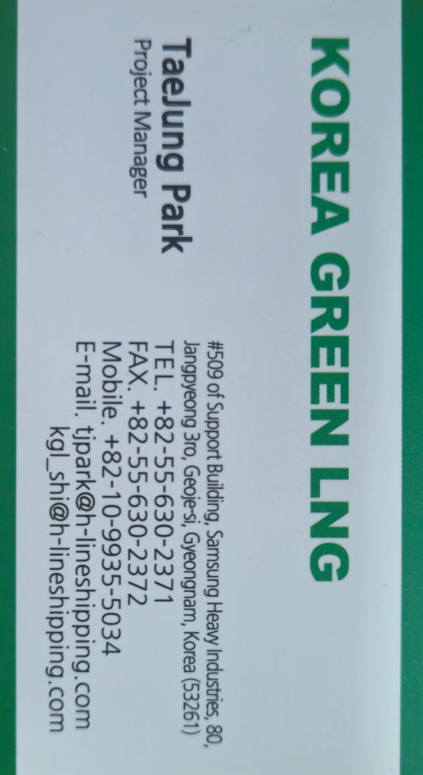 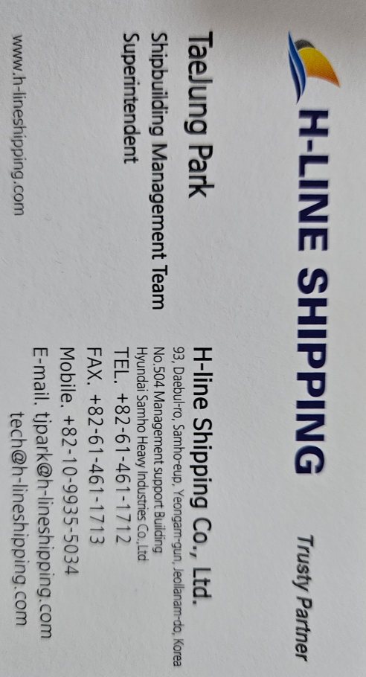

Sea Service Record

Vessel Name | Flag | Company | VSL & Engine | DWT / KW | Rank | From | - | To
OS ARCADIA | PANAMA | SYNCRO SHIPPING | VLCC | 156,779 TON | 3/E | 2016-02-20 | - | 2016-11-17
 |  |  | Wartsilar RTA | 27,572 kW | Class III | 0Y 8M 28D
OS ARCADIA | PANAMA | SYNCRO SHIPPING | VLCC | 156,779 TON | 3/E | 2017-03-11 | - | 2017-12-01
 |  |  | Wartsilar RTA | 27,572 kW | Class III | 0Y 8M 20D
OS ARCADIA | PANAMA | SYNCRO SHIPPING | VLCC | 156,779 TON | 2/E | 2017-12-01 | - | 2018-01-21
 |  |  | Wartsilar RTA | 27,572 kW | Class III | 0Y 1M 20D
T. PROGRESS | SINGAPORE | SYNCRO SHIPPING | VLCC | 157,003 TON | 2/E | 2018-03-25 | - | 2018-09-18
 |  |  | MC/MC-C | 27,160 kW | Class III | 0Y 5M 24D
N. TOPAZ | SINGAPORE | SYNCRO SHIPPING | VLCC | 159,414 TON | 2/E | 2019-02-24 | - | 2019-08-12
 |  |  | Wartsilar RTA | 27,572 kW | Class III | 0Y 5M 19D
V. GLORY | MARSHALL | SYNCRO SHIPPING | VLCC | 153,947 TON | 1/E | 2019-12-09 | - | 2020-11-15
 |  |  | ME-C | 24,500 kW | Class II | 0Y 11M 6D
V. PROSPERITY | MARSHALL | SYNCRO SHIPPING | VLCC | 153,947 TON | 1/E | 2021-01-14 | - | 2021-07-09
 |  |  | ME-C | 24,500 kW | Class II | 0Y 5M 25D
LNG FUKUROKUJU | BAHAMAS | DONGJI MARITIME | LNGC Moss | 127,242 TON | 2/E | 2021-11-25 | - | 2022-06-04
 |  |  | Steam Turbine | 26,800 kW | Class II | 0Y 6M 10D
LNG FUKUROKUJU | BAHAMAS | DONGJI MARITIME | LNGC Moss | 127,242 TON | 2/E | 2022-08-31 | - | 2023-02-08
 |  |  | Steam Turbine | 26,800 kW | Class II | 0Y 5M 8D
GLOVIS TREASURE | LIBERIA | H-LINE SHIPPING | PCTC | 77,560 TON | 1/E | 2025-08-14 | - | 2026-01-06
 |  |  | ME-GI | 13,400 kW | Class I | 0Y 4M 23D
HL NAMBU 1 | MARSHALL | H-LINE SHIPPING | BULK Carrier | 97,574 TON | 1/E | 2026-05-19 | - | 2026-06-12
 |  |  | WinGD X-DF | 14,500 kW | Class I | 0Y 0M 24D
GLOVIS TREASURE | LIBERIA | H-LINE SHIPPING | PCTC | 77,560 TON | 1/E | 2026-06-17 | -
 |  |  | ME-GI | 13,400 kW | Class I | #NUM!
 |  |  |  |  |  |  | -
 |  |  |  |  |  | 0Y 0M 0D
 |  |  |  |  |  |  | -
 |  |  |  |  |  | 0Y 0M 0D
 |  |  |  |  |  |  | -
 |  |  |  |  |  | 0Y 0M 0D
 |  |  |  |  |  |  | -
 |  |  |  |  |  | 0Y 0M 0D
 |  |  |  |  |  |  | -
 |  |  |  |  |  | 0Y 0M 0D
 |  |  |  |  |  |  | -
 |  |  |  |  |  | 0Y 0M 0D
 |  |  |  |  |  |  | -
 |  |  |  |  |  | 0Y 0M 0D
 |  |  |  |  |  |  | -
 |  |  |  |  |  | 0Y 0M 0D
 |  |  |  |  |  |  | -
 |  |  |  |  |  | 0Y 0M 0D
 |  |  |  |  |  |  | -
 |  |  |  |  |  | 0Y 0M 0D
 |  |  |  |  |  |  | -
 |  |  |  |  |  | 0Y 0M 0D
 |  |  |  |  |  |  | -
 |  |  |  |  |  | 0Y 0M 0D
 |  |  |  |  |  |  | -
 |  |  |  |  |  | 0Y 0M 0D

We, DONGJI MARITIME, certified and verified the above qualification and certification is correct and true by confirmed
with issuing authority.

