SAMPLE
 | Curriculum Vitae |  |  |  |  | Applying PSN
 |  |  |  |  |  | 3/O
Personal Details

Name | KIM DONGJI |  | D.O.B | 37118 kW |  | Picture
Nationality | South Korean (R.O.K.) |  | Sexual | Male |  | 
Martial St. | Single |  | Mobile | ='MOL 영문이력서(신채해기사)'!L9
No. of Child |  |  | Em'cy C/T | Mother / +82-10-2345-6789
E-mail | djbsn@djmaritime.co.kr
Family | Grandpa, Grandma, Father, Mother, Sister 2, Brother 2
Address | 14F, HJSC R&D Center Bldg., Chungjang-daero 6, Jung-gu, Busan, South Korea

Performance in University

Name of University |  | Korea Maritime and Ocean University (KMOU)
Ave.School Score |  | 4.2 / 4.5 |  | Penelty or Adv. Score |  | 1900-08-17
Self Record on gross negligence |  | NO

Thoughts about seaman as job

Hopeful sea-service time as seaman |  | 10~20 years |  | Final goal in your job |  | PILOT

Self PR as one sentence |  | Genius is no match for hard work, and hard work is no match for passion.

Language Proficiency

Category | Details |  |  | Score / Level |  | Date
English | TOEIC |  |  | 950 |  | 45468

Education

School |  |  | Major / Place |  | Period of Study
Korea Maritime and Ocean University |  |  | Deck |  | 2022/03/02 ~ 2026/01/28
Seasan Girl's Highschool |  |  | General |  | 2018/03/02 ~ 2021/01/26

Skill & Experience

Date |  | Details
2025-05-15 ~ 2025-06-10 |  | Experienced External Audit in India as the deck cadet

Sea Service Record

Vessel Name | Flag | Company | VSL / Engine | DWT / KW | Rank | From | - | To
T/S HANBADA | REPUBLIC OF KOREA | Korea Maritime and Ocean University | Training ship | 1907-03-20 | Deck Cadet | 45443 TON | - | 45484 kW
 |  |  | MC | 1916-05-05 |  | 0Y 1M 10D
T/S HANBADA | REPUBLIC OF KOREA | Korea Maritime and Ocean University |  | 1907-03-20 | Deck Cadet | 45320 TON | - | 45353 kW
 |  |  | MC | 1916-05-05 |  | 0Y 1M 2D
LNG FUKUROKUJU | BAHAMAS | Korea Maritime and Ocean University | LNGC Moss | 127242 TON | Deck Cadet | 45122 TON | - | 45315 kW
 |  |  | Steam Turbine | 26800KW |  | 0Y 6M 9D
T/S HANNARA | REPUBLIC OF KOREA | Korea Maritime and Ocean University | Training ship | 1910-01-18 | Deck Cadet | 44983 TON | - | 45114 kW
 |  |  | MC | 1918-02-12 |  | 0Y 4M 11D

Specific Questions

1) Q : Suppose you are being on board as the duty officers. Now your contract still remains 4 months from now. Unfortunately, you get the saddest news which your parents passed away. What would you?
영어로 기술하시오

2) Q : What would you do if you were constantly treated unfairly and illegally by your superiors such as Captain, C/O, C/E, 1/E etc.,. (e.g., repeated beatings, verbal abuse, personal insults, etc.) while on board?

We, DONGJI MARITIME, certified and verified the above qualification and certification is correct and true by confirmed
with issuing authority.

MOL 영문이력서(신채해기사)
 | Curriculum Vitae |  |  |  |  | Applying PSN
 |  |  |  |  |  | 3/O
Personal Details

Name | LIM HAYOUNG |  | D.O.B | 37608 kW |  | Picture
Nationality | South Korean (R.O.K.) |  | Sexual | Female |  | 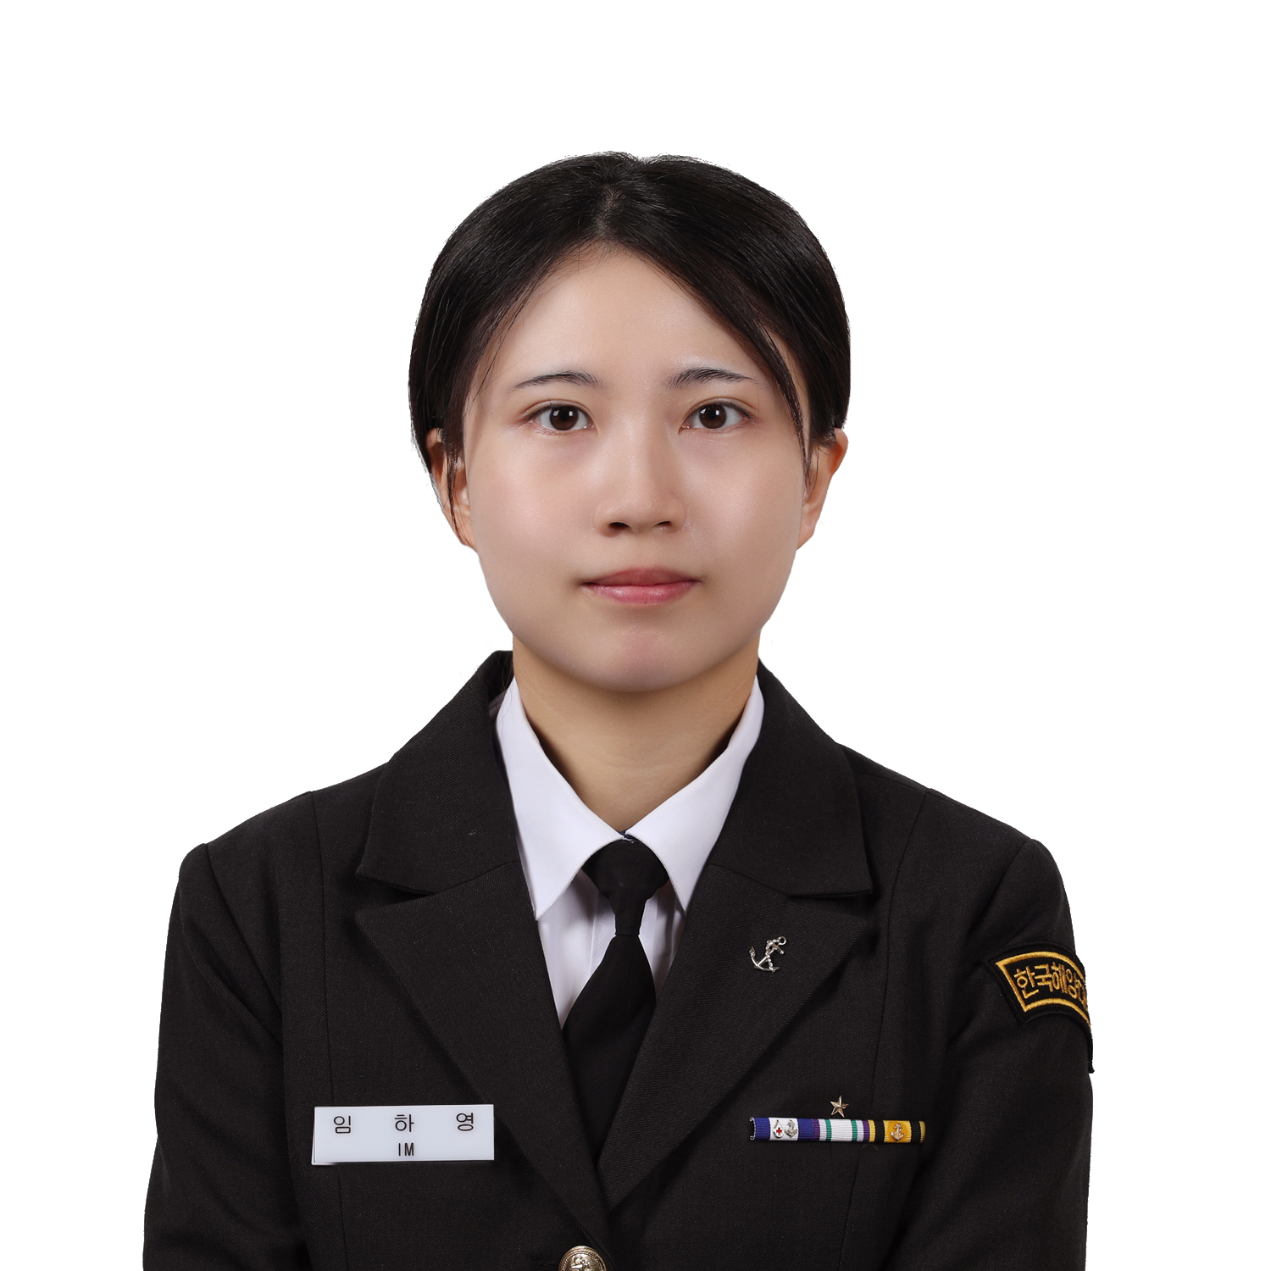
Martial St. | Single |  | Mobile | +82-10-4917-9289
No. of Child |  |  | Em'cy C/T | +82+10-3914-9289
E-mail | hayoung2209@naver.com
Address | (31965)8-13, Hyanggyo 4-ro, Seosan-si, Chungcheongnam-do, Republic of Korea 112-1306

Performance in University

Name of University |  | Korea Maritime and Ocean University (KMOU)
Ave.School Score |  | 4.2 / 4.5 |  | Penelty or Adv. Score |  | 1900-08-17
Self Record on gross negligence |  | N/A

Thoughts about seaman as job

Hopeful sea-service time as seaman |  | 10~20 years |  | Final goal in your job |  | PILOT

Self PR as one sentence

Language Proficiency

Category | Details |  |  | Score / Level |  | Date
ENGLISH | TOEIC |  |  | 950 |  | 45946

Education

School |  |  | Major |  | Period of Study
Korea Maritime and Ocean University |  |  | Deck |  | 2022/03/02 ~ 2026/01/28
Seasan Girl's Highschool |  |  | General |  | 2018/03/02 ~ 2021/01/26

Skill & Experience

Date |  | Details
2024-06-15 ~ 2024-06-17 |  | Experienced Internal Audit in India as the deck cadet
2025-08-02 ~ 2024-08-02 |  | Experienced External PSC Inspection in Imminghan,uk as the deck cadet

Sea Service Record

Vessel Name | Flag | Company | VSL Type | DWT / KW | Rank | From | - | To
T/S HANBADA | REPUBLIC OF KOREA | Korea Maritime and Ocean University | TRAINING SHIP | 1918-04-21 | A/O | 45851 | - | 45860
 |  |  |  | 1916-05-05 |  | 0Y 0M 9D
T/S HANARA | REPUBLIC OF KOREA | Korea Maritime and Ocean University | TRAINING SHIP | 1925-03-05 | A/O | 45555 | - | 45714
 |  |  |  | 1918-02-12 |  | 0Y 5M 6D
MORNING CAPO | MARSHALL | wilhelmsen | PCTC | 2063-03-20 | A/O | 45348 | - | 45545
 |  |  |  | 13570 |  | 0Y 6M 15D
 |  |  |  |  |  |  | -
 |  |  |  |  |  | 0Y 0M 0D

Specific Questions

1) Q : Suppose you are being on board as the duty officers. Now your contract still remains 4 months from now. Unfortunately, you get the saddest news which your parents passed away. What would you?
The reason I work in ships is for my career, but that's not the only reason. I work hard for my beloved family. If something bad were to happen to my family, I don't think I could continue living aboard ships. I would first disembark to properly handle my family's funeral arrangements before returning to the ship. Of course, I wouldn't leave immediately. I would disembark only after a replacement crew member arrives to take my shift, then return to the ship. While someone might think this shows a lack of responsibility toward my job, I firmly believe that because I value both my loved ones and my career equally, I must attend to my family's funeral and ensure their stability before returning to the ship. Only then can I continue my seafaring life with a stronger resolve and without any negative feelings toward being ‘on board’.

2) Q : What would you do if you were constantly treated unfairly and illegally by your superiors such as Captain, C/O, C/E, 1/E etc.,. (e.g., repeated beatings, verbal abuse, personal insults, etc.) while on board?
I will tell the person who persistently harasses me to stop. While some harassment is intentional, it's often the case that people engage in harmful behavior without even realizing their actions are causing others distress. Therefore, I will clearly state that specific behaviors make me feel uncomfortable and distressed. I will also explain that they are not helpful for my work.

We, DONGJI MARITIME, certified and verified the above qualification and certification is correct and true by confirmed
with issuing authority.

